Sheet
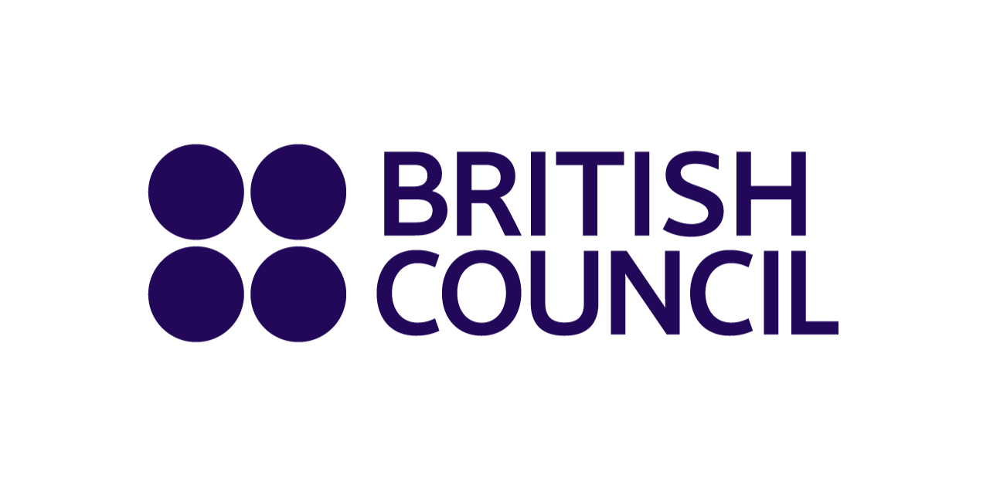
 |  |  |  | Examinations Services
 |  |  |  | 5 Fuller Rd, Dhaka 1000
 |  |  |  | T: +880 9666773377
 |  |  |  | Email: bd.enquiries@britishcouncil.org
 |  |  |  | http://www.britishcouncil.org.bd

 | Cambridge International Examinations - 2023-04-24
 | ACADEMIA Lalmatia
 | Room - Afternoon
 | Date: 2023-04-24
 | Subject: Bengali

 |  | Invigilator Desk | Clock

 | 5060 | 5035 | 5037 | 5053 | 5054
 | 5062 | 5069 | 5038 | 5051 | 5055
 | 5063 | 5068 | 5039 | 5050 | 5057
 | 5064 | 5067 | 5040 | 5049 | 5059
 | 5065 |  | 5041 | 5048
 | 5066 |  | 5042 | 5047
 |  |  |  | 5046
Entry / Fire Exit |  |  |  | 5044

Total candidate |  | 37

